Questions We Have to Solve.
Questions We Have to Solve.
1.Demographics & Distribution
-What is the average age of gym members in each city?
-Which city has the maximum number of members?
-What is the gender ratio in each city?
2.Health & Fitness Analysis
-What is the average BMI of members per city?
-How many members fall into categories: Underweight, Normal, Overweight, and Obese based on BMI?
-Does BMI vary significantly with workout type (Cardio, Strength, Yoga, HIIT)?
3.Workout Habits
-Which workout type is most popular in each city?
-What is the average workout session duration across genders?
-Do people with higher experience levels work out longer?
4.Calories & Performance
-What is the relationship between session duration and calories burned?
-Do men burn more calories than women on average?
-Which workout type burns the most calories per hour?
5.Heart Rate & Endurance
-How does average BPM compare across different workout types?
-Do members with higher workout frequency (days per week) have lower resting BPM?
6.Hydration & Fat Percentage
-What is the average daily water intake by city and gender?
-Is there a correlation between water intake and fat percentage?
7.Comparative Analysis
-Which city has the fittest members (lowest fat percentage & BMI)?
-Which experience level group burns the most calories on average?

1.Demographics and Distribution
Demographics & Distribution

Cities | Average of Age | Cities | Number of Members | Ratio of Genders | Column Labels
Ahmedabad | 39.20212766 | Mumbai | 118 | Cities | Female | Male | Grand Total | Ratio
Bengaluru | 39.759259259 | Bengaluru | 108 | Ahmedabad | 41 | 53 | 94 | 1.3:1
Chennai | 37.430107527 | Pune | 105 | Bengaluru | 44 | 64 | 108 | 1.5:1
Delhi | 36.839506173 | Noida | 103 | Chennai | 46 | 47 | 93 | 1:1
Gurgaon | 38.522222222 | Ahmedabad | 94 | Delhi | 39 | 42 | 81 | 1.1:1
Hyderabad | 37.681818182 | Kolkata | 93 | Gurgaon | 45 | 45 | 90 | 1:1
Kolkata | 38.64516129 | Chennai | 93 | Hyderabad | 46 | 42 | 88 | 0.9:1
Mumbai | 39.203389831 | Gurgaon | 90 | Kolkata | 43 | 50 | 93 | 1.2:1
Noida | 39.669902913 | Hyderabad | 88 | Mumbai | 58 | 60 | 118 | 1:1
Pune | 39.104761905 | Delhi | 81 | Noida | 48 | 55 | 103 | 1.1:1
 |  | Grand Total | 973 | Pune | 52 | 53 | 105 | 1:1
 |  |  |  | Grand Total | 462 | 511 | 973 | 1.1:1

What is the average age of gym members in each city?

Which city has the maximum number of members?
What is the gender ratio in each city?

2.Health & Fitness Analysis
Health & Fitness Analysis

Row Labels | Average of BMI | Row Labels | Count of BMI_Categories | Row Labels | Average of BMI
Hyderabad | 26.26 | Normal Weight | 370 | Cardio | 25.38
Chennai | 25.86 | Overweight | 243 | HIIT | 25.20
Kolkata | 25.68 | Obesity | 192 | Yoga | 24.55
Ahmedabad | 25.56 | Underweight | 168 | Strength | 24.54
Bengaluru | 25.23 | Grand Total | 973
Delhi | 24.89
Gurgaon | 24.27
Pune | 24.15
Mumbai | 23.99
Noida | 23.69
Does BMI vary significantly with workout type (Cardio, Strength, Yoga, HIIT)?
Ans. Yes
How many members fall into categories: Underweight, Normal, Overweight, and Obese based on BMI?

What is the average BMI of members per city?

3.Workout Habits.
Workout Habits

Count of Workout Types | Column Labels |  |  |  |  | Row Labels | Average of Session_Duration (hours) | Row Labels | Average of Session_Duration (hours)
Cities | Cardio | HIIT | Strength | Yoga | Grand Total | Female | 1.26 | 1 | 1.01
Ahmedabad | 28 | 27 | 19 | 20 | 94 | Male | 1.25 | 2 | 1.25
Bengaluru | 25 | 30 | 25 | 28 | 108 |  |  | 3 | 1.76
Chennai | 19 | 17 | 27 | 30 | 93
Delhi | 18 | 18 | 23 | 22 | 81
Gurgaon | 24 | 18 | 23 | 25 | 90
Hyderabad | 25 | 22 | 20 | 21 | 88
Kolkata | 24 | 17 | 30 | 22 | 93
What is the average workout session duration across genders?
Mumbai | 34 | 29 | 33 | 22 | 118
Do people with higher experience levels work out longer?
Ans. Yes.
Noida | 25 | 23 | 32 | 23 | 103
Pune | 33 | 20 | 26 | 26 | 105
Grand Total | 255 | 221 | 258 | 239 | 973

Which workout type is most popular in each city?

4.Calories & Performance
Calories & Performance

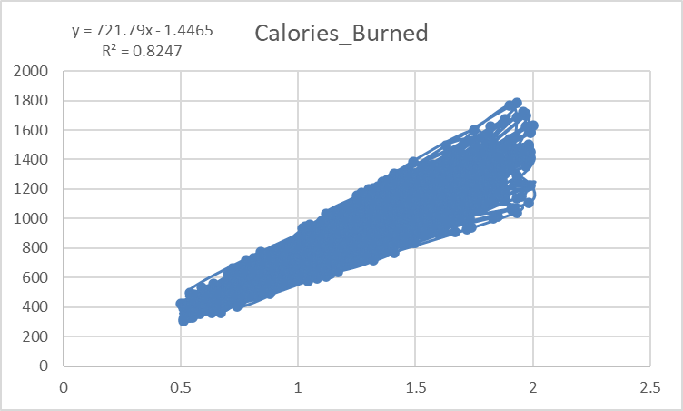
Row Labels | Average of Calories_Burned | Row Labels | Average of Calories _Burned (per hour)
Male | 944.46 | Strength | 723.99504413
Female | 862.25 | Cardio | 723.84799234
 |  | Yoga | 716.51922844
 |  | HIIT | 716.51509894

Do men burn more calories than women on average?
Ans. Yes
Which workout type burns the most calories per hour?

The scatter plot analysis between workout session duration and calories burned shows a strong positive relationship (R² = 0.82). The trendline equation Calories = 721.79 × Duration – 1.45 indicates that, on average, each unit increase in session duration results in about 722 extra calories burned. This proves that longer workout sessions are strongly associated with higher calorie expenditure.
What is the relationship between session duration and calories burned?

5.Heart Rate & Endurance
Heart Rate & Endurance

Workout_type | Average of Avg_BPM | Workout_Frequency(days) | Average of Resting BPM
Cardio | 143.89019608 | 2 | 62.203045685
HIIT | 143.52488688 | 3 | 62.307065217
Strength | 144.31395349 | 4 | 62.22875817
Yoga | 143.26778243 | 5 | 61.941176471
 |  | Grand Total | 62.223021583

How does average BPM compare across different workout types?
Do members with higher workout frequency (days per week) have lower resting BPM?
Ans. Yes

6.Hydration & Fat Percentage
Hydration & Fat Percentage

Average of Water_Intake (liters) | Column Labels |  | Water Intake | Average of Fat_Percentage
Workout_type | Female | Male | Low | 28.836302895
Ahmedabad | 2.156097561 | 2.9830188679 | Medium | 22.992578125
Bengaluru | 2.2954545455 | 3.0390625 | High | 20.405970149
Chennai | 2.2695652174 | 3.0595744681
Delhi | 2.1615384615 | 2.8619047619
Gurgaon | 2.1777777778 | 3.0555555556
Hyderabad | 2.3 | 3.0380952381
Kolkata | 2.1255813953 | 3.096
Mumbai | 2.1293103448 | 2.9516666667
Is there a correlation between water intake and fat percentage?
Ans. Yes
Those Have Higher Water Intake, They Have Lower Fat Percentage.
Noida | 2.2041666667 | 2.9872727273
Pune | 2.2365384615 | 2.9981132075

What is the average daily water intake by city and gender?

7.Comparative Analysis
Comparative Analysis

Cities | Average of BMI | Average of Fat_Percentage | Experience_Level | Average of Calories_Burned
Bengaluru | 23.69 | 24.18 | 1 | 726.375
Ahmedabad | 23.99 | 24.33 | 2 | 901.91871921
Kolkata | 24.15 | 24.68 | 3 | 1265.3403141
Mumbai | 24.27 | 24.74
Pune | 24.89 | 24.98
Hyderabad | 25.23 | 25.08
Chennai | 25.56 | 25.12
Noida | 25.68 | 25.23
Gurgaon | 25.86 | 25.55
Which experience level group burns the most calories on average?
Delhi | 26.26 | 26.22

Which city has the fittest members (lowest fat percentage & BMI)?

